Sheet1
Medals Won by Olympic Athletes
Athlete | Age | Country | Year | Closing Ceremony Date | Sport | Gold Medals | Silver Medals | Bronze Medals | Total Medals
Natalie Coughlin | 25 | United States | 2008 | 2008-08-24 | Swimming | 1 | 2 | 3 | 6
Alicia Coutts | 24 | Australia | 2012 | 2012-08-12 | Swimming | 1 | 3 | 1 | 5
Aleksey Nemov | 24 | Russia | 2000 | 2000-10-01 | Gymnastics | 2 | 1 | 3 | 6
Ryan Lochte | 27 | United States | 2012 | 2012-08-12 | Swimming | 2 | 2 | 1 | 5
Natalie Coughlin | 21 | United States | 2004 | 2004-08-29 | Swimming | 2 | 2 | 1 | 5
Allison Schmitt | 22 | United States | 2012 | 2012-08-12 | Swimming | 3 | 1 | 1 | 5
Missy Franklin | 17 | United States | 2012 | 2012-08-12 | Swimming | 4 | 0 | 1 | 5
Michael Phelps | 27 | United States | 2012 | 2012-08-12 | Swimming | 4 | 2 | 0 | 6
Michael Phelps | 19 | United States | 2004 | 2004-08-29 | Swimming | 6 | 0 | 2 | 8
Michael Phelps | 23 | United States | 2008 | 2008-08-24 | Swimming | 8 | 0 | 0 | 8

Average | 22.9 | - | - | - | - | 3.3 | 1.3 | 1.3 | 5.9

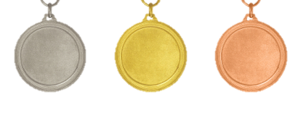

Medal Type | United States |  | Russia |  | Australia
Gold | 30 |  | 2 |  | 1
Silver | 9 |  | 1 |  | 3
Bronze | 9 |  | 3 |  | 1
Countries vs. Medals
 | Gold | Silver | Bronze
United States | 30 | 9 | 9
Russia | 2 | 1 | 3
Australia | 1 | 3 | 1

Notes:
Data adapted from: http://www.tableausoftware.com/public/community/sample-data-sets#medals

